Sheet2
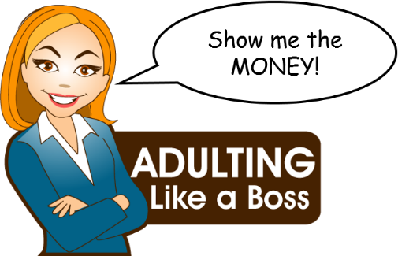

 | Month | __________________
www.AdultingLikeABoss.net

 | MONTHLY "WHERE'S IT GO?" WORKSHEET

Possible Deductions
Several kinds of insurance may be taken out:
- health
- dental
- vision
- disability
- life
You may need to add these in the "*Other" space.
INCOME |  | Pay #1 | Pay #2
 | Wages
 | Fed W/H |  |  | variable
 | SocSec | $0.00 | $0.00 | 6.20%
 | MedCare | $0.00 | $0.00 | 1.45%
 | Insurance
 | 401k
 | *Other
 | *Other
 | TOTAL INCOME | $0.00 | $0.00

Possible Expenses
- trash pickup
- neighborhood fees
- dry cleaning/laundry
- hair care
- makeup/skin care
- clothing
- car maintenance
- glasses/contacts
- dental
- subscriptions
- therapy
- travel (non-vacation)
- gifts/Christmas
- massage/nails
- vacay/excursions
You may need to add these in the "*Other" space.
<You can download this live worksheet HERE>
EXPENSES
Fixed: | Rent/Mortgage
 | Electricity
 | Water
 | Natural Gas
 | Cable/Internet
 | Car Payment
 | Car Insurance
 | School Loans
 | Gasoline/Oil
 | Groceries/Supplies
 | Eating Out
 | Medicine
 | Netflix
 | *Other
 | *Other
 | *Other
 | *Other
 | TOTAL EXPENSES |  | $0

 |  | Over (Under) Balance | $0

